Instruction
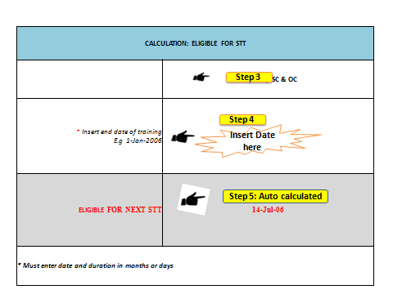
Tips to use the HR Calculator
1 | There are seven different types of Calculator as follows:
 | Calculator STT
 | Calculator LTT 1 and Calculator LTT 2
 | Calculator EOL 1; Calculator EOL 2 and Calculator EOL 3
 | Calculator Promotion 1 and Calculator Promotion 2
 | Calculator CS Award
 | Calculator Supperannuation
 | Calculator 1 Doctor Careerpath-Seniority Lost; Calculator 2 Doctor Careerpath-First promotion and Calculator 3 Doctor Careerpath-Second promotion onwards.
2 | Select the relevant HR Calculator based on the required HR Action.
3 | In the Calculator, select the position category of the civil servant where applicable Enter dates under the correct position category where applicable
4 | Date and numbers to be inserted where asterix * symbol is given. The format for the date shall be E.g. 1-Jan-2014.
1-Jan-16
5 | The end product are auto calculated and reflected in the gray cell with red font.E.g.

 | Example
 | STEP 3, 4 & 5

